hydro
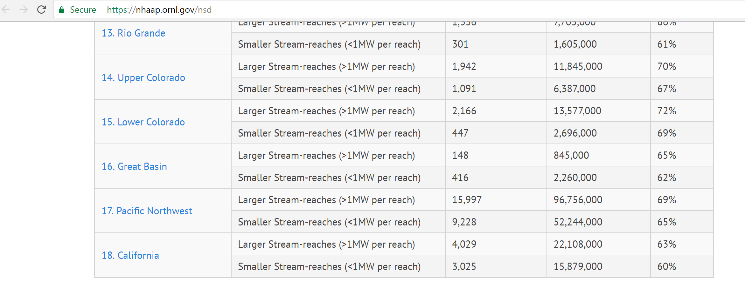
 |  |  | https://nhaap.ornl.gov/sites/default/files/ORNL_NSD_FY14_Final_Report.pdf

additional capacity available | = | 25225 | Kao, S.-C., R. A. McManamay, K. M. Stewart, N. M. Samu, B. Hadjerioua, S. T. DeNeale, D. Yeasmin, M. F. K. Pasha, A. A. Oubeidillah, and B. T. Smith (2014), New Stream-reach Development: A Comprehensive Assessment of Hydropower Energy Potential in the United States, GPO DOE/EE-1063, Wind and Water Power Program, Department of Energy, Washington, DC.

